Tissue_2HG_IDX1
 |  | AREA Plasma Control-LCMS |  | Mean Standard Curve | 13C/12C Ratio
 |  | 13C-2-Hydroxyglutarate | 2-Hydroxyglutarate | 12C-2-HG Conc (uM) | Ratio | 12C-2-HG Conc (uM) |  | Conc [] | Pre-Std | Post-Std | Mean
Tissue Clinical - IDX1 | SB847_218-001_04_T_Bio_A_T02 | 686166 | 8725783 | 9.3639 | 12.72 | 6.3584 | SB847_P_0_001uM_2HG | 0.01 | 13277 | 4118 | 8697
 | SB847_218-001_Bx_T_Bio_A_T01 | 336602 | 54544488 | 59.3175 | 162.04 | 81.0221 | SB847_P_0_1uM_2HG | 0.1 | 111286 | 98378 | 104832
 | SB847_218-003_04_T_Bio_A_T04 | 837746 | 4559009 | 4.8211 | 5.44 | 2.7210 | SB847_P_0_05uM_2HG | 0.05 | 50119 | 45208 | 47664
 | SB847_218-003_Bx_T_Bio_A_T03 | 492232 | 15232024 | 16.4573 | 30.94 | 15.4724 | SB847_P_0_5uM_2HG | 0.5 | 528427 | 543458 | 535943
 | SB847_218-004_04_T_Bio_A_T06 | 440476 | 14470483 | 15.6270 | 32.85 | 16.4259 | SB847_P_1_25uM_2HG | 1.25 | 1420815 | 1396394 | 1408604
 | SB847_218-004_Bx_T_Bio_A_T05 | 222728 | 99781114 | 108.6366 | 448.00 | 223.9976 | SB847_P_2_5uM_2HG | 2.5 | 2815417 | 2590023 | 2702720
 | SB847_218-005_04_T_Bio_A_T08 | 863318 | 5961651 | 6.3503 | 6.91 | 3.4528 | SB847_P_10uM_2HG | 10 | 9044765 | 9415957 | 9230361
13C-2-Hydroxyglutarate Standard Curve
 | SB847_218-005_Bx_T_Bio_A_T07 | 429811 | 19557262 | 21.1728 | 45.50 | 22.7510
 | SB847_218-006_04_T_Bio_A_T10 | 494066 | 21373981 | 23.1535 | 43.26 | 21.6307
 | SB847_218-006_Bx_T_Bio_B_T09 | 308214 | 48732012 | 52.9805 | 158.11 | 79.0554
 | SB847_218-007_04_T_Bio_A_T12 | 751784 | 5338538 | 5.6709 | 7.10 | 3.5506
 | SB847_218-007_Bx_T_Bio_A_T11 | 1161205 | 5906635 | 6.2903 | 5.09 | 2.5433
 | SB847_218-008_04_T_Bio_A_T14 | 690130 | 6838070 | 7.3058 | 9.91 | 4.9542
 | SB847_218-008_Bx_T_Bio_A_T13 | 342582 | 31306742 | 33.9827 | 91.38 | 45.6924
 | SB847_218-009_04_T_Bio_A_T16 | 608831 | 9355933 | 10.0509 | 15.37 | 7.6835
 | SB847_218-009_Bx_T_Bio_A_T15 | 232367 | 44127720 | 47.9607 | 189.91 | 94.9526
 | SB847_218-011_04_T_Bio_A_T18 | 747391 | 3739500 | 3.9276 | 5.00 | 2.5017
 | SB847_218-011_Bx_T_Bio_A_T17 | 247014 | 46673434 | 50.7362 | 188.95 | 94.4754
 | SB847_218-012_04_T_Bio_A_T20 | 935399 | 9264196 | 9.9509 | 9.90 | 4.9520
 | SB847_218-012_Bx_T_Bio_A_T19 | 331511 | 46911726 | 50.9959 | 141.51 | 70.7543
 | %CV Tissue Samples (n=20) | 47.78 | 98.80 | 99.34 | 136.47 | 136.47
 | SB847_Tissue_0_001uM_2HG | 13277 | 17849294 | 19.3107
 | SB847_Tissue_0_001uM_2HG_20240730170322 | 4118 | 19238785 | 20.8256
 | SB847_Tissue_0_1uM_2HG | 111286 | 18106398 | 19.5910
 | SB847_Tissue_0_1uM_2HG_20240730180600 | 98378 | 18422941 | 19.9362
 | SB847_Tissue_0_05uM_2HG | 50119 | 16538604 | 17.8818
 | SB847_Tissue_0_05uM_2HG_20240730173441 | 45208 | 18534493 | 20.0578
 | SB847_Tissue_0_5uM_2HG | 528427 | 16791270 | 18.1572
 | SB847_Tissue_0_5uM_2HG_20240730183716 | 543458 | 16972014 | 18.3543
 | SB847_Tissue_1_25uM_2HG | 1420815 | 17021272 | 18.4080
 | SB847_Tissue_1_25uM_2HG_20240730190835 | 1396394 | 17848681 | 19.3101
 | SB847_Tissue_2_5uM_2HG | 2815417 | 18205907 | 19.6995
 | SB847_Tissue_2_5uM_2HG_20240730193951 | 2590023 | 17500703 | 18.9307
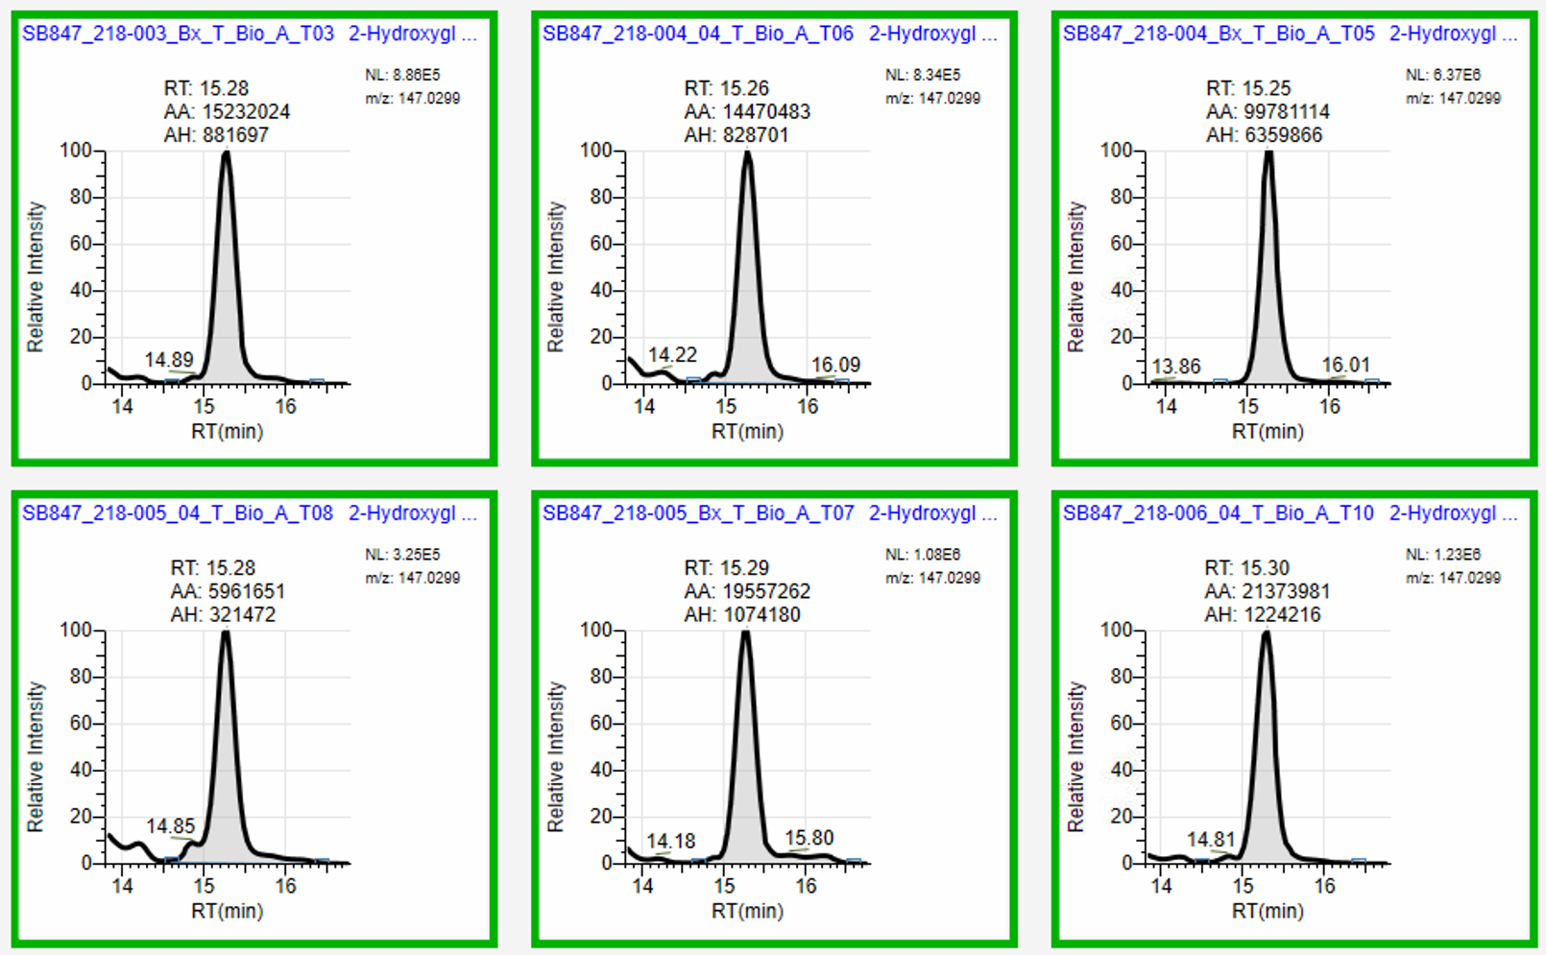
 | SB847_Tissue_10uM_2HG | 9044765 | 15809846 | 17.0872
 | SB847_Tissue_10uM_2HG_20240730201110 | 9415957 | 16559158 | 17.9042
 | %CV Standard Curve (n=14) |  | 5.42 | 5.46
 | SB847_Tissue_StdCurveBlank | 5121 | 26293
 | SB847_Tissue_ExtBlank | 733915 | 26685
 | SB847_Tissue_HomogenBlank | 24316 | 22635
 | SB847_Tissue_pbQC0A | 384295 | 20526578
 | SB847_Tissue_pbQC0B | 480546 | 24485552
 | SB847_Tissue_pbQC0C | 441933 | 23579353
 | SB847_Tissue_pbQC0D | 432595 | 22692476
 | SB847_Tissue_pbQC0E | 417284 | 22410496
 | SB847_Tissue_pbQC01 | 391742 | 21237027 | 23.0042 | 54.21 | 27.1059
 | SB847_Tissue_pbQC02 | 436403 | 23354609 | 25.3129 | 53.52 | 26.7581
 | SB847_Tissue_pbQC03 | 399855 | 21349252 | 23.1266 | 53.39 | 26.6963
 | SB847_Tissue_pbQC04 | 379845 | 20961949 | 22.7043 | 55.19 | 27.5928
 | SB847_Tissue_pbQC05 | 455229 | 24455597 | 26.5132 | 53.72 | 26.8608
 | SB847_Tissue_pbQC06 | 465106 | 24788504 | 26.8762 | 53.30 | 26.6482
 | %CV PBQC | 8.46 | 7.60 | 7.64 | 1.33 | 1.33
 | ExtBlank01 | 2897025 | 183425
 | ExtBlank02 | 1447582 | 81319
 | ExtBlank03 | 1370012 | 45207
 | ExtBlank04 | 1365531 | 52528
 | PostBlank1 | 2267 | 53540
 | PostBlank2 | 0 | 51056
 | PostBlank3 | 1693 | 48799
 | PostBlank4 | 3165 | 45256
 | PostBlank5 | 1762 | 49896

